Workflow
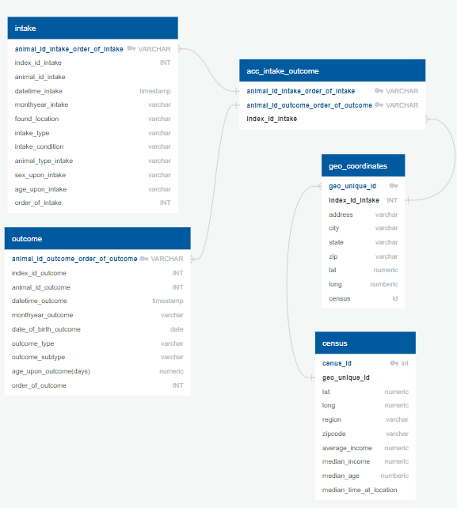

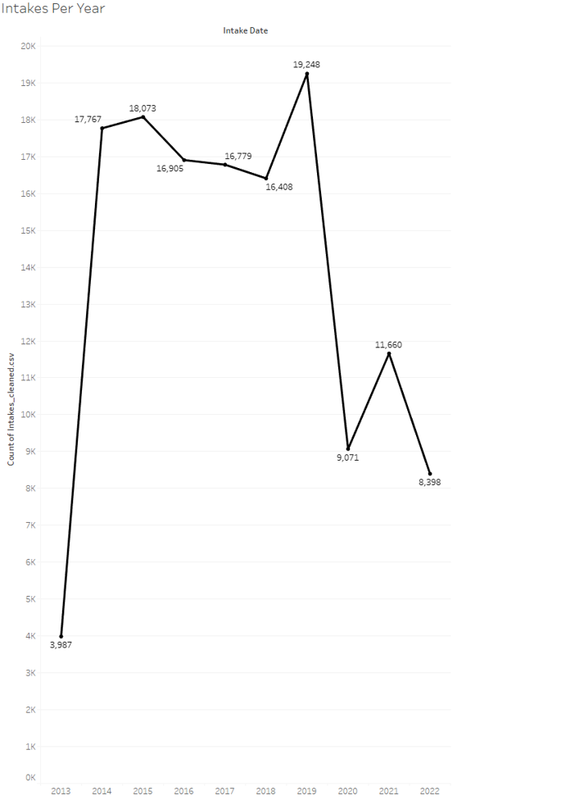
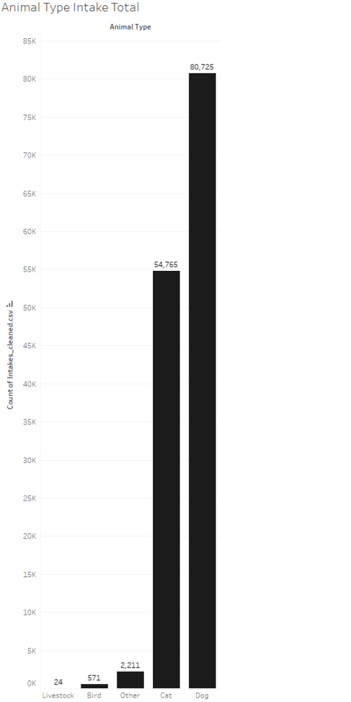

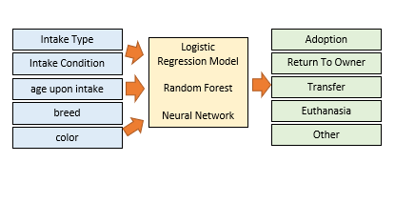

Output Files
acc_intake_outcome.csv
acc_intake_available
Data Sources:
Austin Animal Center Intake Data
Austin Animal Center Outcome Data
Texas A&M GeoServices
US Cenus Bureau
Jupyter Notebook
Apply analysis and Filter for ML
Tableua
Data Visualization and Story Telling

Machine Learning
Logistric Regression
Random Forest
Neural Networks

PostgreSQL13
Austin Animal Center Intake Data
Austin Animal Center Outcome Data
Texas A&M GeoServices Lat and Long
US Cenus Bureau

Machine Learning
Intake Type
Adoption
Logistic Regression Model
Random Forest
Neural Network
Intake Condition
Return To Owner
age upon intake
Transfer

breed
Euthanasia
Other
color

